Dashboard
US COMPANY GROUP PERFORMANCE SALES ANALYSIS (2018-2019)

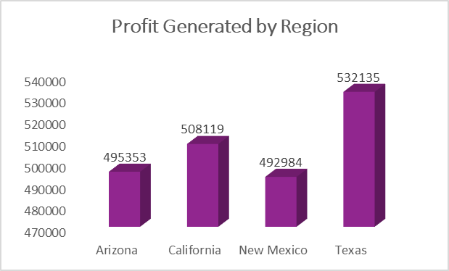
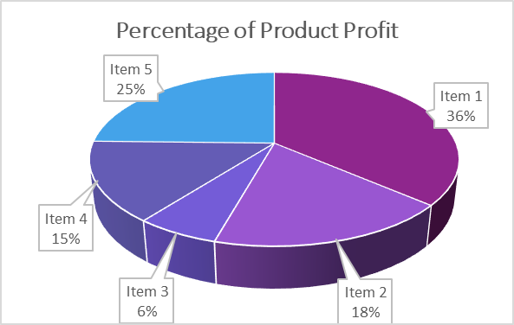

Total Profit
$2,028,591
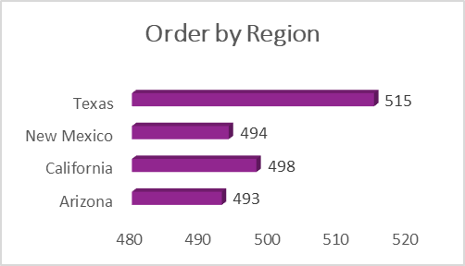

No of Regions
4

Product Types
5

No of Customers
2000
Top 5 Sales Person Profit
 | Total
Anna Weber | 21.07%
Ben Wallace | 19.49%
Laura Larsen | 21.06%
Michael Fox | 19.19%
Oscar Knox | 19.18%
Revenue Trend from 2018-2019
 | Total
Qtr1 | 289164
Qtr2 | 317028
Qtr3 | 272296
Qtr4 | 279663
Qtr1 | 317400
Qtr2 | 272049
Qtr3 | 243576
Qtr4 | 37415

No of Company
20

No of Sales Person
8

Sheet15
Row Labels | Sum of Revenue
2018 | 1158151
Qtr1 | 289164
Revenue Trend from 2018-2019
Qtr2 | 317028
Qtr3 | 272296
Qtr4 | 279663
2019 | 870440
Qtr1 | 317400
Qtr2 | 272049
Qtr3 | 243576
Qtr4 | 37415
Grand Total | 2028591

Sheet14
Row Labels | Sum of Revenue
Anna Weber | 21.07%
Ben Wallace | 19.49%
Top 5 Sales Person Profit
Laura Larsen | 21.06%
Michael Fox | 19.19%
Oscar Knox | 19.18%
Grand Total | 100.00%

Sheet8
Row Labels | Sum of Revenue
Item 1 | 736953
Item 2 | 365762
Item 3 | 124890
Item 4 | 301305
Item 5 | 499681
Percentage of Product Profit
Grand Total | 2028591

Sheet7
Row Labels | Count of Order ID
Arizona | 493
California | 498
New Mexico | 494
Texas | 515
Grand Total | 2000
Order by Region

Sheet6
Row Labels | Sum of Revenue
Arizona | 495353
California | 508119
Profit Generated by Region
New Mexico | 492984
Texas | 532135
Grand Total | 2028591

